Sheet1
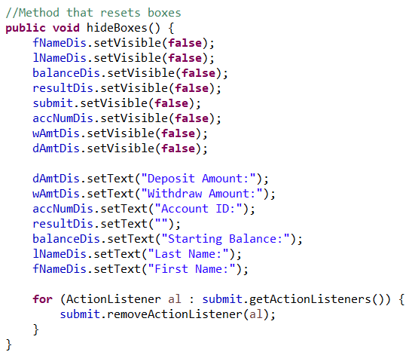
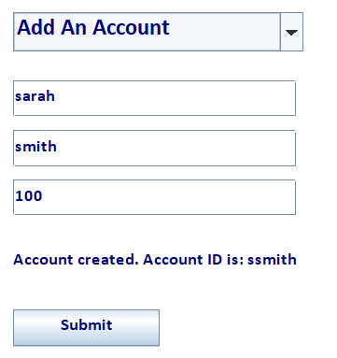
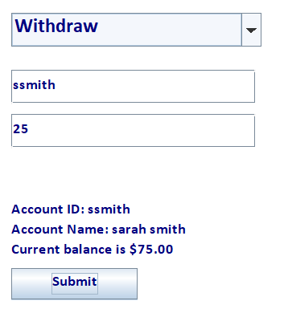
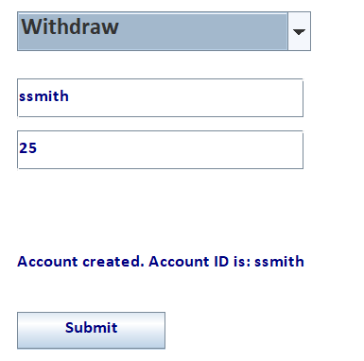
Credit Name: CSE3010 - Computer Science 3
Assignment Name: Local Bank Mastery

Describe the errors you've encountered while working on this assignment. What caused the error and how do you overcome the error?

Overriding the prompt went wrong so prompt was not showing up and account creation did not work. | Variables had to be initialized separately from overriding the prompt. If statements shouldn't be nested. Added a submit button to initialize variables
 | and display account information. Renamed result variable to accID.
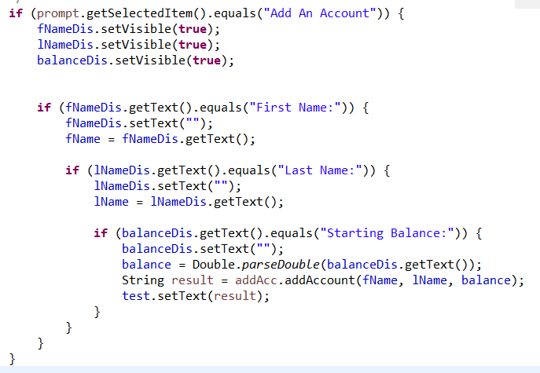
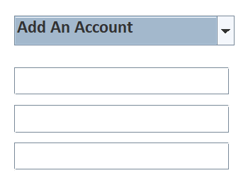
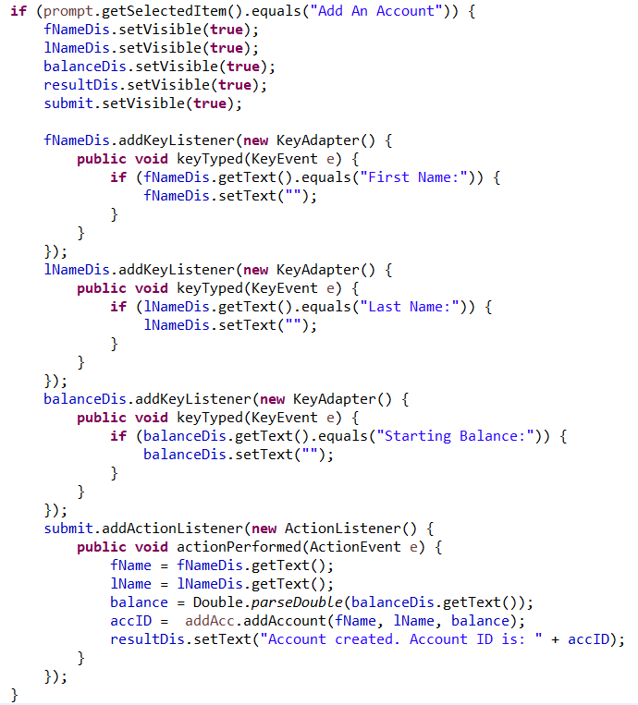
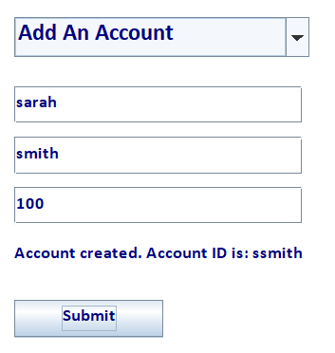
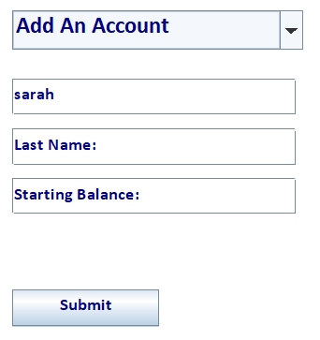

Used the same submit buttons for "Add An Account" and "Withdraw," causing exceptions in the thread. | Created a method that will reset the information in the boxes. Set the visibility for all the boxes to be false so that the boxes needed for an action will only
Information displayed was the same for both based on which was filled in first. | pop up as needed. Reset the prompts of the boxes so that the prompt is displayed everytime the user chooses and action. Used a for loop to remove each
 | ActionListener so that multiple aren't running at the same time for 1 JButton.

